Dashboard
INDIAN GENERAL ELECTIONS 2024 ANALYSIS DASHBOARD

TOTAL SEATS OF PARTY ALLIANCES
 | NDA | I.N.D.I.A | OTHER
Total | 30 | 9 | 1
SEATS OF PARTIES IN STATE ( OR COUNTRY)
 | NDA | I.N.D.I.A | OTHER
Bharatiya Janata Party - BJP | 12
Communist Party of India (Marxist-Leninist) (Liberation) - CPI(ML)(L) |  | 2
Hindustani Awam Morcha (Secular) - HAMS | 1
Independent - IND |  |  | 1
Indian National Congress - INC |  | 3
Janata Dal (United) - JD(U) | 12
Lok Janshakti Party(Ram Vilas) - LJPRV | 5
Rashtriya Janata Dal - RJD |  | 4

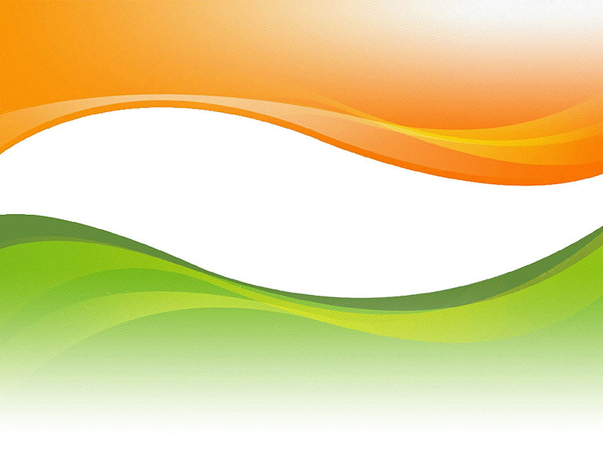

Top 10 candidates with maximum votes (IN LAKHS)
 | Indian National Congress - INC | Bharatiya Janata Party - BJP | All India Trinamool Congress - AITC
RAKIBUL HUSSAIN | 14.72
SHIVRAJ SINGH CHOUHAN |  | 11.16
DR C N MANJUNATH |  | 10.79
SHANKAR LALWANI |  | 12.27
EATALA RAJENDER |  | 9.91
C R PATIL |  | 10.31
BRIJMOHAN AGRAWAL |  | 10.50
ABHISHEK BANERJEE |  |  | 10.48
SHOBHA KARANDLAJE |  | 9.86
AMIT SHAH |  | 10.11

YOUR CONSTITUENCY INFO.

Madhubani

WINNER
ASHOK KUMAR YADAV

RUNNER UP
MD ALI ASHRAF FATMI

MARGIN
151945

